Sheet1
Report showing | From Cost Element | To Cost Element | Short Text | Cost Component | Cost Components Structure | G/L Account Not Used
 |  | 0051100000 | Consptn Raw Mat | 101 | Imported spare part | Yes | Primary Costs or Revenue
 |  | 0051500000 | Consptn Packag Mat | 101 |  | Yes | Primary Costs or Revenue
 |  | 0051600000 | Consptn Trde Gds | 101 |  | Yes | Primary Costs or Revenue
 |  | 0051700000 | Consptn Repair Mat | 101 |  | Yes | Primary Costs or Revenue
 |  | 0051950000 | Consptn Subcontr | 101 |  | Yes | Primary Costs or Revenue
 |  | 0054300000 | Inv Chg SF Goods | 101 |  | Yes | Primary Costs or Revenue
 |  | 0054400000 | Inv Chg Fin Goods | 101 |  | Yes | Primary Costs or Revenue
 |  | 5200000004 | ProC.-Import sp.part | 101 |  | No | Primary Costs or Revenue

 |  | 0055100000 | Adj Plnt act prd.ord | 102 | India spare part | Yes | Primary Costs or Revenue
 |  | 5200000016 | ProC.-IN spare parts | 102 |  | No | Primary Costs or Revenue | No Entery

 |  | 0051900000 | Consptn Subct.w/o CE | 103 | Chinese spare part | Yes | Nonoperating Expense or Income
 |  | 0061002000 | 3rd party material | 103 |  | Yes | Primary Costs or Revenue |  |  | Valuation Class
 |  | 0065008000 | Purchased Svcs-Time | 103 |  | Yes | Primary Costs or Revenue |  | 5200000004
 |  | 0065008300 | Services - General | 103 |  | Yes | Primary Costs or Revenue |  | 5200000016
 |  | 0065008500 | Subcontract.Services | 103 |  | Yes | Primary Costs or Revenue |  | 5200000017 | 3011
 |  | 5200000017 | ProC.-CN sp.part | 103 |  | No | Primary Costs or Revenue |  | 5200000018 | 3012
 |  |  |  |  |  |  |  |  | 5200000006
 |  | 0094111000 | OH Material | 109 | Imported spare part | Yes | Secondary Costs |  | 0000771000
 |  | 5200000006 | ProC.-ingredients | 109 |  | No | Primary Costs or Revenue |  | 0000772000
 |  | 5200000018 | ProC.-standard parts | 109 |  | No | Primary Costs or Revenue |  | 0000773000
 |  |  |  |  |  |  |  |  | 0000774000
 |  | 0000771000 | Human cost activity | 201 | Human cost | No | Secondary Costs | No Entery | 5200000009
 |  | 0094311000 | Pers hrs | 201 |  | Yes | Secondary Costs |  | 5200000010 | 3010
 |  |  |  |  |  |  |  |  | 5200000014 | 3009
 |  | 0000772000 | Depreciation activit | 202 | Machine depreciation | No | Secondary Costs | No Entery | 5200000020 | 3013
 |  | 0094301000 | Machine hours 1 | 202 |  | Yes | Secondary Costs |  | 5200000012 | 7901
 |  | 0094302000 | Machine hours 2 | 202 |  | Yes | Secondary Costs |  | 5200000019 | 7904
 |  |  |  |  |  |  |  |  | 5200000013 | 7920 | 9901 | 9902 | 9903 | 9904
 |  | 0000773000 | Power activity | 203 | Power | No | Secondary Costs | No Entery
 |  | 0094303000 | Setup Production | 203 |  | Yes | Secondary Costs
 |  |  |  |  |  |  |  |  | 5200000011 |  | 7900
 |  | 0000774000 | Other activity | 209 | Other | No | Secondary Costs | No Entery
 |  | 0094112000 | OH production | 209 |  | Yes | Secondary Costs

 |  | 0094304000 | Water | 301 | Outsourcing Material | Yes | Secondary Costs |  |  | GBB-VBR
 |  | 0094305000 | Industry Effluent | 301 |  | Yes | Secondary Costs |  | 5200000004 - 5200000005 | 3004
 |  | 0094306000 | Environmental | 301 |  | Yes | Secondary Costs |  | 5200000016 | 3010
 |  | 0094307000 | Internal Transport | 301 |  | Yes | Secondary Costs |  | 5200000017 | 3011
 |  | 0094309000 | Development | 301 |  | Yes | Secondary Costs |  | 5200000018 | 3012
 |  | 0094310000 | QM Control | 301 |  | Yes | Secondary Costs |  | 5200000006 | 3006 | 5100000104 | All valuation Class Assign
 |  | 5200000009 | ProC.-Outsourc mater | 301 |  | No | Primary Costs or Revenue | No Entery | 5200000009 | All valuation Class Assign |  |  | non-consumable item is not any transction
 |  |  |  |  |  |  |  |  | 5200000010 | FRL - No Valuation Class
 |  | 0094113000 | OH Administration | 305 | Outsourcing cost | Yes | Secondary Costs |  | 5200000014 | 3009
 |  | 0094114000 | OH Sales | 305 |  | Yes | Secondary Costs |  | 5200000020 | 3013
 |  | 5200000010 | ProC.-Outsourc proce | 305 |  | No | Primary Costs or Revenue | No Entery | 5200000011 - 5200000012 | 7900 - 7901
 |  |  |  |  |  |  |  |  | 5200000019 | 7904
COST CENTER NOT ASSIGN |  | 5200000014 | ProC-CN Coopera part | 306 | Cooperation part-CN | No | Primary Costs or Revenue |  | 5200000013 | 7920 | 9901 | 9902 | 9903 | 9904

 |  | 5200000020 | ProC.-IN Cooper part | 307 | Cooperation part-IN | No | Primary Costs or Revenue | No Entery

 | 5200000011 | 5200000012 | ProC.-Out semi-good | 401 | Semi-product | No | Primary Costs or Revenue | No Entery
 |  | 5200000019 | ProC.-pur semi.g-SDK | 401 |  | No | Primary Costs or Revenue

 |  | 5200000013 | ProC.-finished good | 405 | Finished product | No | Primary Costs or Revenue

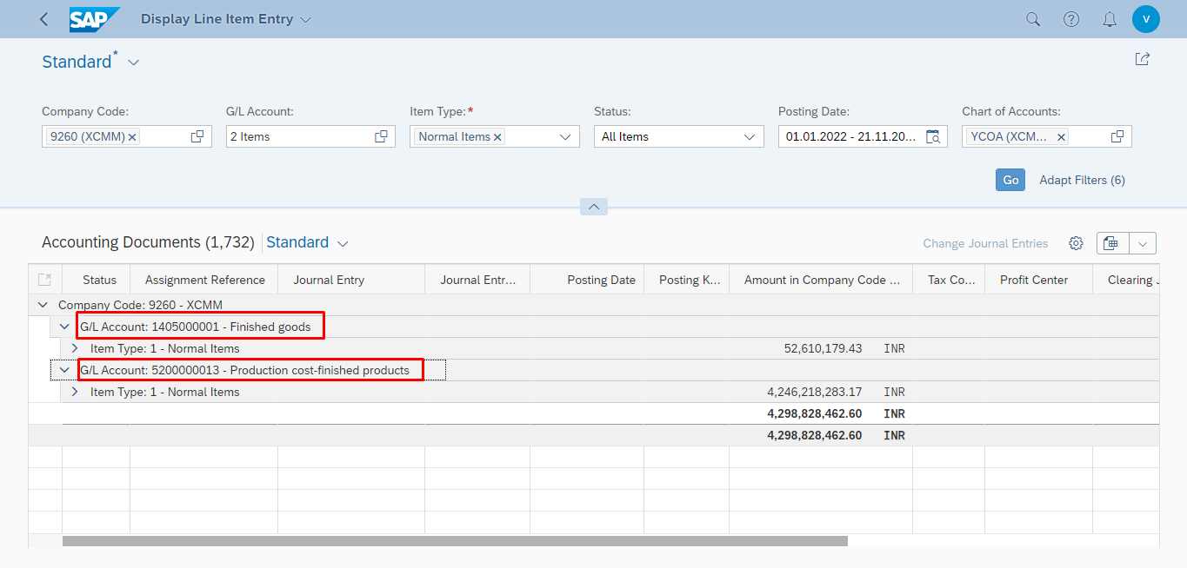

 |  |  | 3,934,283.85

Sheet3
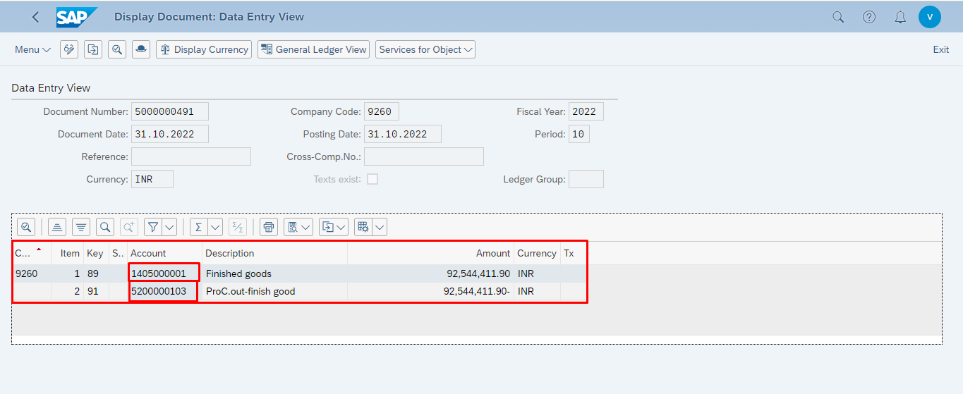
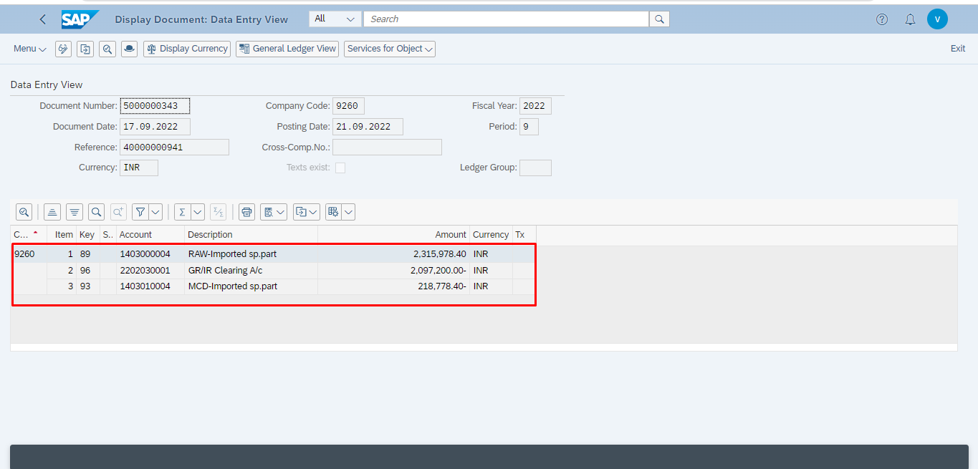
Material
961000000050
961000000051 | 9260 | 1 | 89 | 1405000001 | Finished goods | 118,028,515.50 | INR

 |  | 2 | 91 | 5200000103 | ProC.out-finish good | 118,028,515.50- | INR

